Exploratory Data Analysis
 |  |  |  |  |  | Exploratory Data Analysis

 |  | Churn Rate against age |  |  |  |  |  | Churn Rate against Number of Products

Age | Sum of Churn Rate
18 | 0.090909090909
19 | 0.037037037037 |  |  |  |  | Number of Products | Sum of Churn Rate
20 | 0.05 |  |  |  |  | 1 | 0.27714398112
21 | 0.056603773585 |  |  |  |  | 2 | 0.075816993464
22 | 0.14285714286 |  |  |  |  | 3 | 0.82706766917
23 | 0.060606060606 |  |  |  |  | 4 | 1
24 | 0.10606060606 |  |  |  |  | Grand Total | 0.2037
25 | 0.038961038961
26 | 0.07
27 | 0.062200956938
28 | 0.084249084249
29 | 0.080459770115
30 | 0.073394495413
31 | 0.081683168317
32 | 0.076555023923
33 | 0.099547511312
34 | 0.073825503356
35 | 0.12025316456
36 | 0.11622807018
37 | 0.12970711297
38 | 0.1320754717
39 | 0.17021276596
40 | 0.20601851852
41 | 0.18852459016
42 | 0.23987538941
43 | 0.2962962963
44 | 0.28404669261
45 | 0.37991266376
46 | 0.40265486726 |  |  | Estimated Salary Against Country
47 | 0.44
48 | 0.47619047619
49 | 0.51020408163 |  | Country | Sum of EstimatedSalary | Sum of Exited
50 | 0.52985074627 |  | France | 500894492.6 | 810
51 | 0.55462184874 |  | Germany | 253693608.67 | 814
52 | 0.62745098039 |  | Spain | 246314297.54 | 413
53 | 0.54054054054 |  | Grand Total | 1000902398.8 | 2037
54 | 0.60714285714
55 | 0.58536585366
56 | 0.71428571429
57 | 0.50666666667
58 | 0.4328358209
59 | 0.48387096774
60 | 0.51612903226
61 | 0.39622641509
62 | 0.40384615385
63 | 0.45
64 | 0.32432432432
65 | 0.44444444444
66 | 0.2
67 | 0.13513513514
68 | 0.31578947368
69 | 0.090909090909
70 | 0.22222222222
71 | 0.25925925926
72 | 0.047619047619
73 | 0.076923076923
74 | 0.055555555556
75 | 0
76 | 0
77 | 0
78 | 0
79 | 0
80 | 0
81 | 0
82 | 0
83 | 0
84 | 0.5
85 | 0
88 | 0
92 | 0
Grand Total | 0.2037

Dashboard
 |  |  | CHURN RATE ANALYSIS DASHBOARD

 | Estimated Salary Against Country |  |  | Churn Rate against age
 | Total
18 | 0.090909090909
19 | 0.037037037037
20 | 0.05
21 | 0.056603773585
22 | 0.14285714286
23 | 0.060606060606
24 | 0.10606060606
25 | 0.038961038961
26 | 0.07
27 | 0.062200956938
28 | 0.084249084249
29 | 0.080459770115
30 | 0.073394495413
31 | 0.081683168317
32 | 0.076555023923
33 | 0.099547511312
34 | 0.073825503356
35 | 0.12025316456
36 | 0.11622807018
37 | 0.12970711297
38 | 0.1320754717
39 | 0.17021276596
40 | 0.20601851852
41 | 0.18852459016
42 | 0.23987538941
43 | 0.2962962963
44 | 0.28404669261
45 | 0.37991266376
46 | 0.40265486726
47 | 0.44
48 | 0.47619047619
49 | 0.51020408163
50 | 0.52985074627
51 | 0.55462184874
52 | 0.62745098039
53 | 0.54054054054
54 | 0.60714285714
55 | 0.58536585366
56 | 0.71428571429
57 | 0.50666666667
58 | 0.4328358209
59 | 0.48387096774
60 | 0.51612903226
61 | 0.39622641509
62 | 0.40384615385
63 | 0.45
64 | 0.32432432432
65 | 0.44444444444
66 | 0.2
67 | 0.13513513514
...
 | Sum of EstimatedSalary | Sum of Exited
France | 500894492.6 | 810
Germany | 253693608.67 | 814
Spain | 246314297.54 | 413

 |  |  |  |  |  |  | High churn rate between 38years and 74 years

France region has the highest Estimated Salary |  |  |  |  |  | Correlation Analysis between Features and Churn
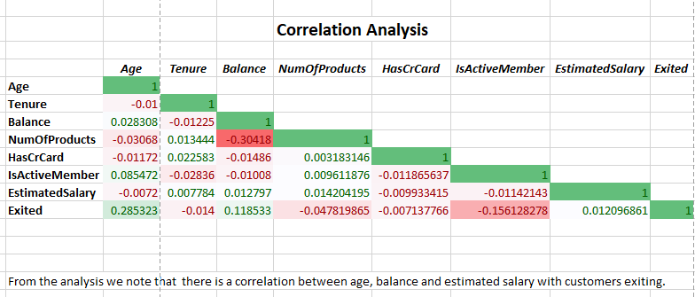
 |  | Churn Rate against Number of Products
 | Total
1 | 0.27714398112
2 | 0.075816993464
3 | 0.82706766917
4 | 1

Customers with 3 and 4 products have the highest churn rate |  |  |  | From the analysis we note that there is a correlation between age, balance and estimated salary with customers exiting.

 | Total
0 | 500
0-50k | 26
100k-150k | 987
150k-200k | 205
200k+ | 19
50k-100k | 300
 |  |  |  |  | Balance Segmentation Against Churn Rate
 | Salary Segmentation Against Churn Rate

 | Total
50k-100k | 504
150k-200k | 527
100k-150k | 517
0-50k | 489

 |  |  |  |  | Customers with balances between 100k-150k have the highest churn rate
Customers with salary between 150k-200k have the highest churn rate

Correlation and Segmentation
 |  |  |  |  | Correlation Analysis

 |  | Age | Tenure | Balance | NumOfProducts | HasCrCard | IsActiveMember | EstimatedSalary | Exited
 | Age | 1
 | Tenure | -0.0099968255908 | 1
 | Balance | 0.028308368327 | -0.012253926175 | 1
 | NumOfProducts | -0.030680087962 | 0.013443755461 | -0.30417973836 | 1
 | HasCrCard | -0.011721029002 | 0.022582867285 | -0.014858344945 | 0.0031831459931 | 1
 | IsActiveMember | 0.085472145404 | -0.028362077772 | -0.010084100438 | 0.0096118759113 | -0.011865636878 | 1
 | EstimatedSalary | -0.0072010423767 | 0.0077838254558 | 0.012797496341 | 0.014204195129 | -0.0099334146525 | -0.011421430485 | 1
 | Exited | 0.28532303784 | -0.014000612253 | 0.11853276877 | -0.047819864949 | -0.007137765603 | -0.15612827819 | 0.012096861027 | 1

 | From the analysis we note that there is a correlation between age, balance and estimated salary with customers exiting.

Salary Segmentation Against Churn Rate |  |  |  |  |  |  | Balance Segmentation Against Churn Rate

Salary Segment | Sum of Churn Rate |  |  |  |  |  |  | Balance Segment | Sum of Churn Rate
50k-100k | 504 |  |  |  |  |  |  | 0 | 500
150k-200k | 527 |  |  |  |  |  |  | 0-50k | 26
100k-150k | 517 |  |  |  |  |  |  | 100k-150k | 987
0-50k | 489 |  |  |  |  |  |  | 150k-200k | 205
Grand Total | 2037 |  |  |  |  |  |  | 200k+ | 19
 |  |  |  |  |  |  |  | 50k-100k | 300
 |  |  |  |  |  |  |  | Grand Total | 2037

